Risk Assessment
Annual Risk Assessment for general student group activities

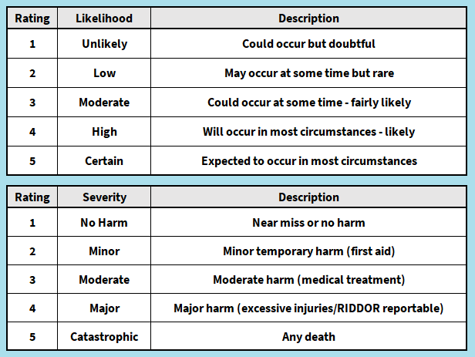
Student group name: Bristol University Neurodiversity Society (BUNS)

Person(s) Completing assessment: Haydon Wansbrough

Assessment date (today): 31/03/2025

Review Date (12 months from now): 31/03/2026

Activities covered - Arts and crafts (including clay model making, colouring, painting, cutting and sticking) Movie nights Special interest (Show and Tell) PowerPoint nights Quiz nights Plant potting Café trips Board games and puzzles Wii Games Night Working with local schools and organisations to raise awareness of Neurodiversity

General (add hazards & controls related to your activity, don't delete hazards from this section)
What's the HAZARD? | Who might be harmed and how? | What steps (controls) are currently taken to keep people safe? | RISK SCORE (1 = low, 5 = high) Likelihood x Severity = Risk Rating |  |  | Further action you plan to take to lessen risk (is there anything you're not currently doing that you plan to do very soon) | Who will carry out further action? | Date to complete further action by
 |  |  | Likelihood | Severity | Risk Rating
Slips, Trips, Falls | Students, Volunteers, Public may be injured/harmed if they trip over objects or slip on splillages | - All members and attendees encouraged to wear appropriate footwear - Clear up any spillages as soon as they occur - Keep area clear and free of trip hazards - Good standard of housekeeping maintained - Appropriate levels of lighting used | 2 | 2 | 4
Fire/Explosion | Students, Volunteers, Public could suffer fatal injuries from burns or smoke inhalation in the event of a fire | - Good standard of housekeeping maintained - Fire safety procedures covered on induction/checked at any new venues and communicated to members - Strict no smoking policy in place when indoors - Appropriate storage of flammable substances and materials -Committee members ensure fire doors are clear when arriving, during and when leaving event venue | 1 | 5 | 5
Electrical Failure/Fault | Students, Volunteers, Public could get electrical shocks or burns from using faulty electrical equipment. Electrical faults can also lead to fires. | - All electrical equipment inspected and PAT tested annually - Unsafe electrical items removed from use - Visual inspection of socket/plug before use | 1 | 5 | 5
Over Crowding | Students, Volunteers, Public - overheating, claustrophobia. Over crowding can also cause delays in evacuating in the event of a fire | - Maximum occupancy of room/venue established and not exceeded - Occupancy levels checked when using external venues - Events ticketed when anticipated attendees is high | 1 | 5 | 5
Medical Emergency | Students, Volunteers, Public | - Location of trained first aiders known - First aid equipment and accident books known. All accident and incidents reported to Bristol SU (https://tinyurl.com/ynyse26a) | 1 | 4 | 4
Food Poisoning/Allergic Reactions | Students, Volunteers, Public could become unwell, anaphylaxis can be fatal | - Catered food obtained from reputable providers - Allergies known amongst student group members - Good practices followed (e.g. hand washing and food storage) | 1 | 4 | 4
Manual handling | Students, Volunteers could be injured or develop musculoskeletal issues from lifting or moving heavy objects or equipment | - Members to undertake manual handling activites within their cabability - Appropriate footwear to be worn when setting up rooms and equipment | 2 | 2 | 4 | Many of our members have additional physical disabilities - it will be clearly communicated to all members that they are not expected to undertake any manual handling and can ask for support if neded. | President (Haydon) | Oct-25
Alcohol consumption and dehydration | Students may become unwell if dehydrated or under the influence of too much alcohol | - Responsible drinking encouraged - Tap/bottled water available - Forced participation in drinking games not permitted - Initiations strictly prohibited | 3 | 3 | 9
Drugs | Students may become unwell if under the influence of drugs | - Harm reduction approach to use of drugs within student groups - Medical help summoned in an emergency | 1 | 4 | 4
Traffic and Pedestrians | Students, Volunteers, Public could suffer serious injury whilst travelling on foot/crossing roads in large groups | - Travel in smaller groups where required - Make use of designated pedestrian routes and crossing points - Marshals leaders identified for larger events/movement of people | 2 | 3 | 6
Getting to/from Social Events Safely | Students, Public could be injured if leaving social events alone | - Members advised not to travel home alone - Buddy system in place - Reputable public transport/taxi companies used | 1 | 3 | 3
Severe/Adverse Weather | Students, Public could be injured or become unwell if out in severe/adverse weather e.g. hypothermia, hyperthermia, sunnburn | - Outside events/travelling cancelled in the case of severe adverse weather (e.g. wind, rain, snow/ice) - Appropriate clothing worn - Contingency plans in place - UOB security services accessible 24/7 in an emergency (0117 331 1223) | 2 | 4 | 8
Driving/ Road Traffic Collision | Students, Volunteers, Public may suffer serious physical injury if involved in an RTA | - All drivers hold appropriate licences and insurance - Long distance driving planned/shared - Training provided for all Bristol SU minibus drivers and annual license checks in place | 2 | 4 | 8
Sleeping Arrangements Falling Through or Students Being Stranded | Students | - Trips and overnight activites planned in advance - Insurance checked to ensure appropriate for trip/activity (including any overseas activities) - Contingencies in place where required including emergency funds. - UOB Security Services available 24/7 in an emergency (0117 331 1223) - All trips registered with Bristol SU | 1 | 3 | 3
Invited Guests/External speakers | Students, Volunteers, Public | Speakers attend by invitation only, Bristol SU external speakers form to be completed 21 days in advance | 2 | 2 | 4
Member Wellbeing Concerns | Students - Students may be harmed by mental health/wellbeing related concerns, either driectly as a result of their own or indirectly through others' struggles | A committee wellbeing management flowchart is provided to all committee members, at least one key named wellbeing contact will be present at BUNS who has a direct link with the SU/Wellbeing services to refer students of concern, the Wellbeing Access/ ResiLife details will be shared regularly the year. Wellbeing Toolkit shared to members weekly in weekly email. | 3 | 4 | 12
Cuts and scrapes | Students | Students will be reminded to be careful during activities involving scissors/sharp opjects. A first aid kit will be available in case of cuts and committee will ensure they know where the nearest university first aider is/call security services for support if needed. | 3 | 2 | 6

Volunteering (delete/add as appropriate)
Safeguarding | Students, Volunteers, Public | - SU safeguarding training undertaken - Volunteers issued guidance regarding best practice - Volunteers to undergo DBS checks where required - Any safeguarding concerns escalated to SU Safeguarding Officer | 2 | 5 | 10
 |  |  |  |  | 0

